Hoja1
Sn96.5/Ag3/Cu0.5
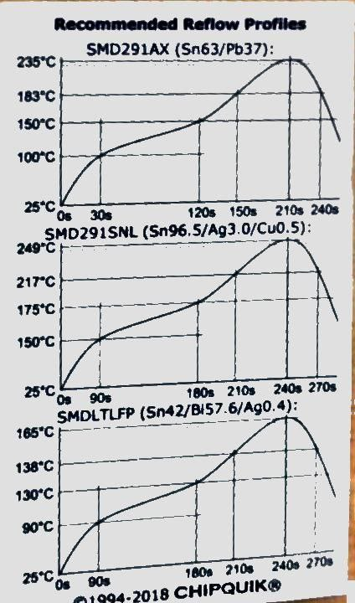
Paste | Time (s) | Temperature (ºC) | ºC/s
Sn96.5/Ag3/Cu0.5 | 0 | 50 | -
 | 130 | 150 | 0.8
 | 220 | 175 | 0.3
 | 320 | 250 | 0.8
 | 340 | 250 | 0.0
 | 500 | 50 | -1.3

Sn63/Pb37
Sn63/Pb37 | 0 | 50 | -
 | 60 | 100 | 0.8
 | 150 | 150 | 0.6
 | 260 | 235 | 0.8
 | 280 | 235 | 0.0
 | 420 | 50 | -1.3

Sn42/Bi57.6/Ag0.4 | 0 | 50 | -
 | 50 | 90 | 0.8
 | 140 | 130 | 0.4
 | 200 | 165 | 0.6
 | 220 | 165 | 0.0
Sn42/Bi57.6/Ag0.4
 | 310 | 50 | -1.3

 |  | Max ºC/s | 0.8
 |  |  | Should be <= 1
 |  |  | for most ovens

